Standard Explainer
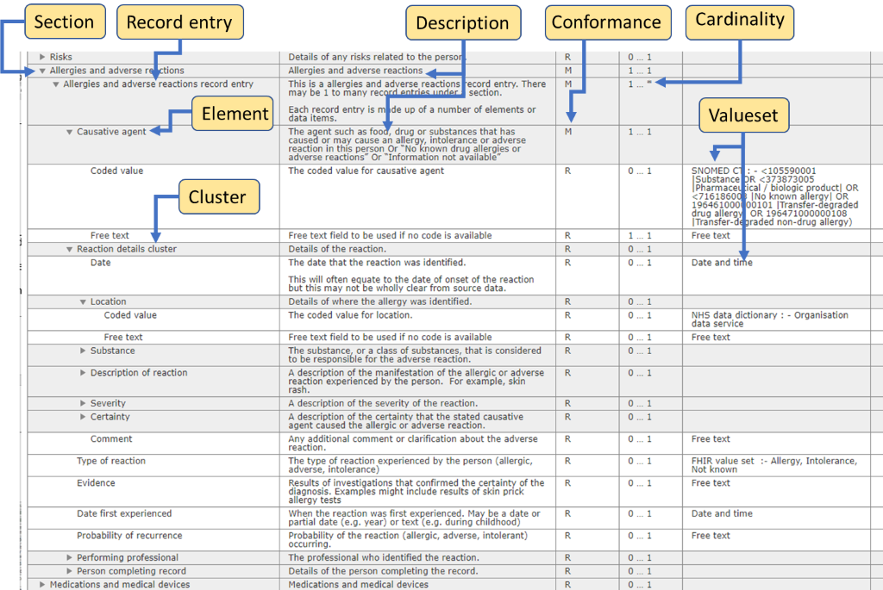
Information Components | Model Description
Section | A section groups together all the information related to a specific topic e.g., ‘Medications and medical devices’ and ‘Person demographics’.
 | It is the highest level to logically group data elements that may be independent or related. For example:
 | ‘Legal information’ includes a set of independent elements or information items, grouped in a logical section.
 | ‘Medications and medical devices’ include sets of related elements with dependencies between the elements.

Record entry | A record entry within a section is used where a set of information is repeated for a particular item, and there can be multiple items. For example, for each medication there is a set of information associated with that medication. Other examples are allergies or adverse reactions and procedures.
Cluster | This is a set of elements put together as a group and which relate to each other; e.g., medication course details cluster which is the set of elements describing the course of the medication.
Element | The data item.
 | An element can appear in one or more sections e.g., name, date.

Information model rules and instructions | Explanations
Description | This is the description of the section, record entry, cluster, or element. For an element, it describes the information that the element should contain in as plain English as possible.
Cardinality | Each section, record entry, cluster and element will have a statement of cardinality. This clarifies how many entries can be made i.e., zero, one or many entries. The number of records expected and allowed are displayed as:
 | 0…* = zero to many record entries are allowed
 | 0…1 = zero to one record entry is allowed
 | 1…1 = one record is expected
 | 1…* = one to many records are expected | In the annotated example shown above for Allergies: - The Standard has a section for ‘Allergies and adverse reactions’, it’s conformance is ‘mandatory’ and the cardinality is ‘1 only’ (or 1...1) i.e., there must be just one allergies section - It has a record entry to allow for multiple allergies, which is also ‘mandatory’ but with a cardinality of 1 to many (or 1...*). The record entry contains a set of elements, i.e., the set of information for each allergy and there must be at least 1 record entry.
 | For example, the ‘Medications and medical devices’ section may have zero to many medication item records in it and is displayed as 0…… *.

Information model rules and instructions | Explanations
Conformance | Conformance defines what information is ‘mandatory’, ‘required’ or ‘optional’ and applies to sections, record entries, clusters, and elements.
 | The IT system must be developed to be handle all the information elements that are defined in the Standard but not all the information is required for every individual record or information transfer.
 | The following set of rules applies to enable implementers to cater for the end users (senders and receivers) requirements:
 | Mandatory – the information must be included
 | Required – if it exists, the information must be included
 | Optional – a local decision is made as to whether the information is included

 | These rules apply at all levels and give the flexibility to allow local clinical or professional decisions on some information that is included, while being clear on what is important information to include.
 | For example, a person subject to a referral may have many assessments, but not all of these will be relevant to the referral. The conformance can be used to allow just relevant assessments to be included.
 | Assessment Section – Required – i.e., its important information you must include if you have it.
 | Record entry level – Optional – allows a local decision on what assessments are included, so only relevant ones are included based on clinical or professional needs.
 | Assessment elements – Conformance set on the normal basis of which elements for an assessment are mandatory, required, or optional.
 | NB: It is permitted to upgrade a conformance rule but not to down grade one. For instance, a section that is classed as optional in the standard can be upgraded to required or mandatory in local implementations. However, one that is classed mandatory or required cannot be downgraded to required or optional.
Value sets | Valuesets describe precisely how the information is recorded in the system and communicated between systems. This is required for interoperability (for information to flow between one IT system and another).
 | The information can be text, multi-media or in a coded format. If coded it can be constrained to SNOMED CT and specific SNOMED CT reference sets, NHS Data Dictionary values or other code sets.

